Application Screen
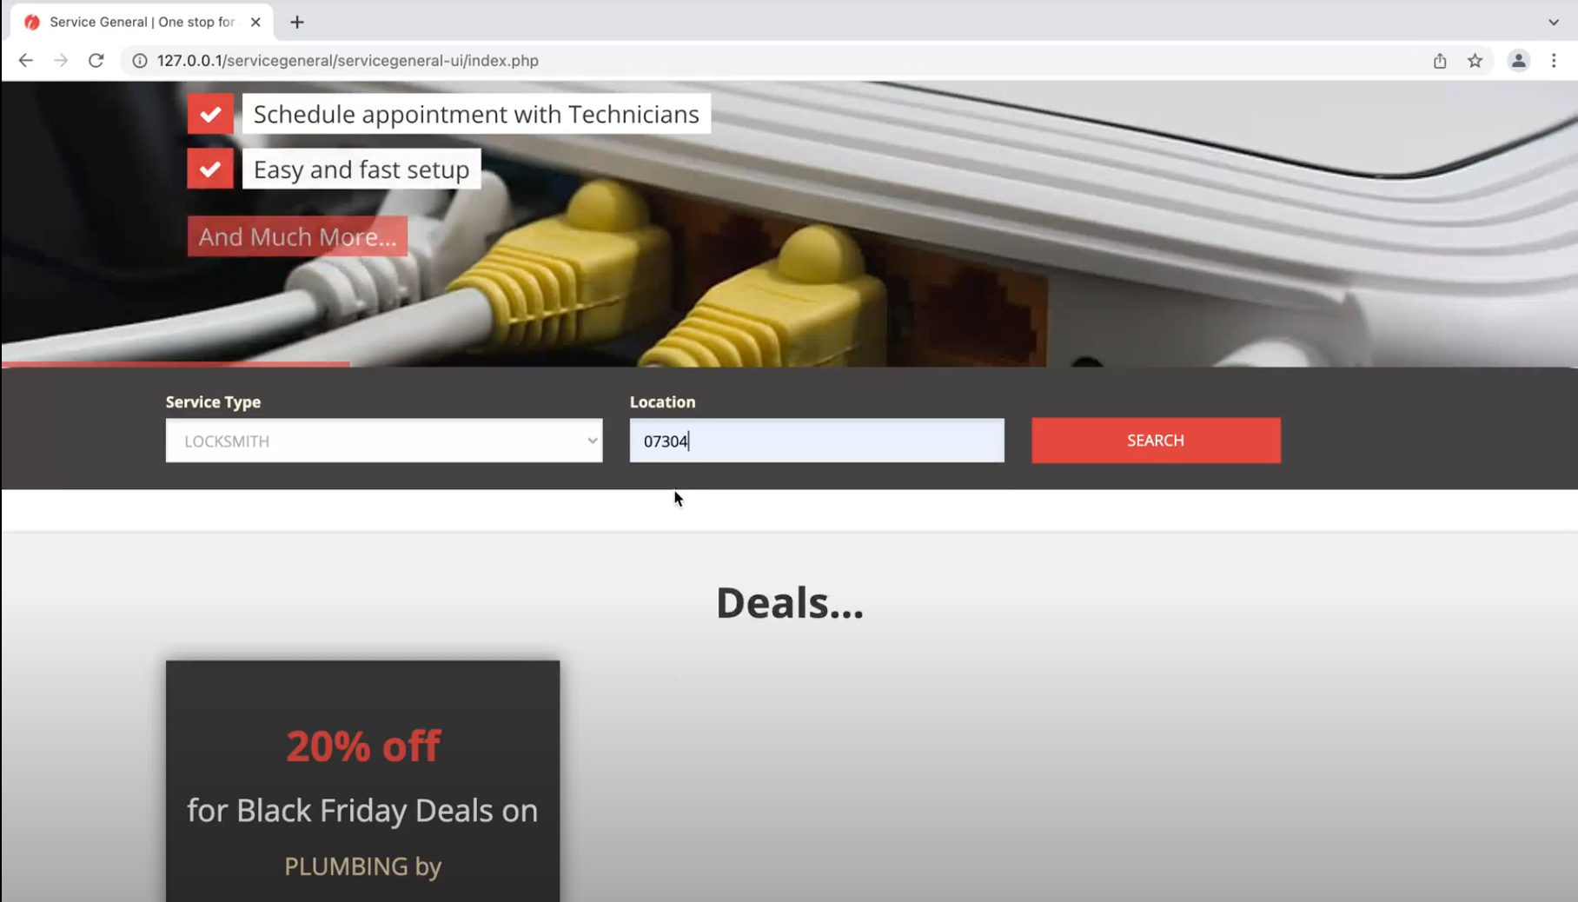

Test Case 3
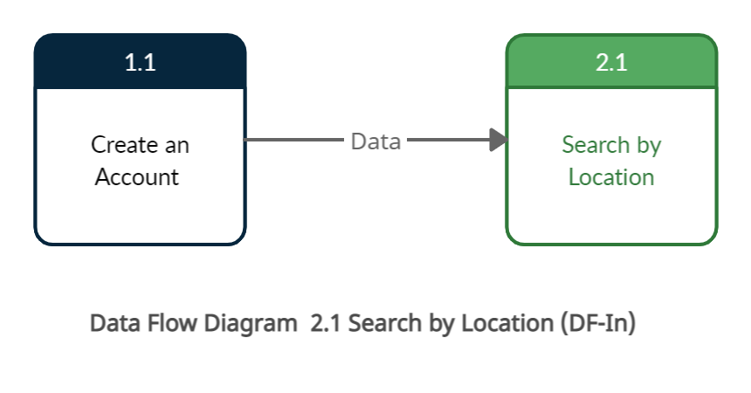
TC Title: | TC3. 02.01 Search by Location - Data Fow In

TC Objective: | The objective of this test case is to verify data stored in the 1.1 create an account is flowing to the feature 2.1 search by location on clicking seach button.

TC Description
 | Step | Step Description | Expected Results
 | 1 | Log to the application with the valid credentials | Log in should be successful and user should land on the main page/index page
 | 2 | Go to the location field and enter the zip code i.e 08536 | User should be able to enter the zip code in the location field.
 | 3 | Click on the search button | All the services provided under 08536 zip code should populate in the response page. So that data of that zip code will flow form the 1.1 create an account feature to the 2.1 Search by location feature.

